Sheet1
 |  | Mix 3215
Ean No. | Brand | Description |  | Size | Gender | QTY | Price | Your Price | Retail Price
6085010094977 | Armaf | Club De Nuit Intense Women | Edp sp | 105 ml | Women | 2000 | CHF 17.50 |  | CHF 55.90 | 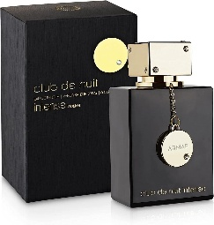
6294015151596 | Armaf | Club De Nuit Men | Edt sp | 105 ml | Men | 4000 | CHF 16.90 |  | CHF 54.30
6294015132120 | Armaf | Club De Nuit Milestone | Edp sp | 105 ml | Unisex | 4000 | CHF 21.80 |  | CHF 66.70 | 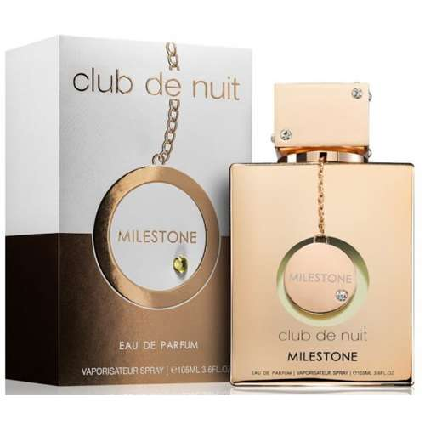
6294015109313 | Armaf | Odyssey Homme | Edp sp | 100 ml | Men | 2500 | CHF 15.90 |  | CHF 56.00 | 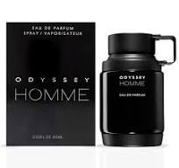
3351500015238 | Azzaro | Chrome Legend | Edt sp | 75 ml | Men | 4000 | CHF 11.80 |  |  | 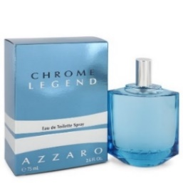
3351500015245 | Azzaro | Chrome Legend | Edt sp | 125 ml | Men | 4000 | CHF 16.20
3614274129267 | Azzaro | The Most Wanted Intense | Edt sp | 50 ml | Men | 3800 | CHF 26.80 |  | CHF 82.95 | 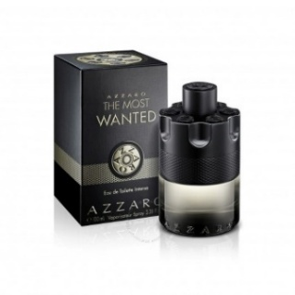
3351500002702 | Azzaro | Wanted | Edt sp | 100 ml | Men | 2000 | CHF 29.70 |  | CHF 112.95 | 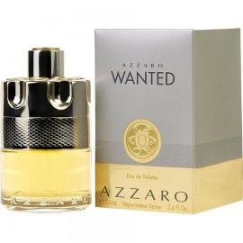
3616301975748 | Burberry | Her | Edt sp | 50 ml | Women | 1000 | CHF 42.60 |  | CHF 129.95 | 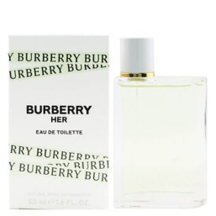
3616300892435 | Burberry | Her London Dream | Edp sp | 50 ml | Women | 3000 | CHF 37.20 |  | CHF 129.00 | 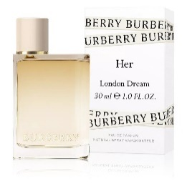
783320419461 | Bvlgari | Man Rain Essence | Edp sp | 100 ml | Men | 2000 | CHF 43.90 |  | CHF 123.00
783320416118 | Bvlgari | Man Terrae Essence | Edp sp | 60 ml | Men | 1800 | CHF 26.80 |  |  | 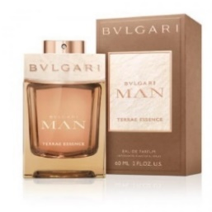
783320416101 | Bvlgari | Man Terrae Essence | Edp sp | 100 ml | Men | 4000 | CHF 36.70
3614228834896 | Calvin Klein | Eternity Cologne | Edt sp | 100 ml | Men | 1800 | CHF 18.20 |  | CHF 102.95 | 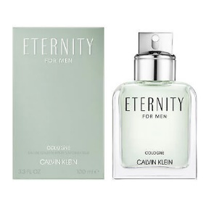
88300601301 | Calvin Klein | Eternity Women | Edp sp | 50 ml | Women | 2000 | CHF 20.80 | CHF 39.90 | CHF 118.00 | 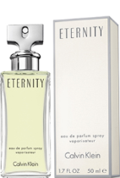
88300601400 | Calvin Klein | Eternity Women | Edp sp | 100 ml | Women | 4000 | CHF 23.20 |  | CHF 127.95
88300103300 | Calvin Klein | Obsession Women | Edp sp | 50 ml | Women | 1800 | CHF 13.50 | (34.90 CHF for 100 ml) | CHF 41.90 | 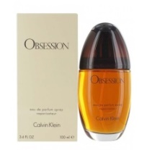
3614223111404 | Chloe | Nomade | Edp sp | 30 ml | Women | 520 | CHF 30.80 | (69.90 CHF for 50 ml) | CHF 129.00
688575201901 | Chloe | Signature | Edp sp | 30 ml | Women | 800 | CHF 32.20 | CHF 59.90 | CHF 129.00 | 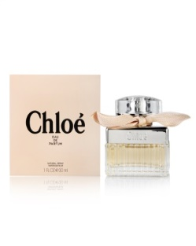
8057971183722 | Dolce & Gabbana | Devotion | Edp sp | 50 ml | Women | 850 | CHF 30.10 |  | CHF 154.00
8057971183739 | Dolce & Gabbana | Devotion | Edp sp | 100 ml | Women | 4000 | CHF 34.30 |  | CHF 209.00 | 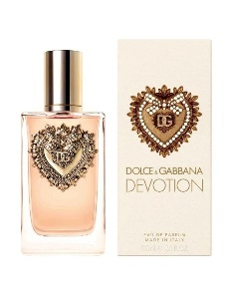
8054754401059 | Dolce & Gabbana | Devotion Men | Edp sp | 100 ml | Men | 4000 | CHF 39.30 | (69.90 CHF for 50 ml) | CHF 179.00 | 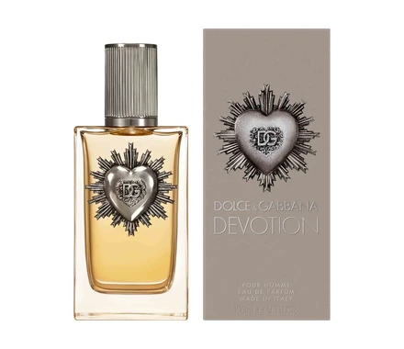
8057971181568 | Dolce & Gabbana | The One Intense Men | Edp sp | 100 ml | Men | 600 | CHF 36.10 |  | CHF 174.00 | 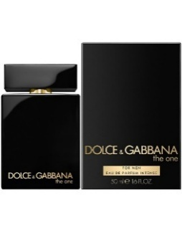 | Next Delivery on Oct.
8057971180509 | Dolce & Gabbana | The One Men | Edt sp | 100 ml | Men | 4000 | CHF 33.60 | CHF 59.90 | CHF 155.00 | 